Sheet1
 | Document No. |  | Issue No. | Issue Date |  | Review and Replace Date |  |  | Authorised By
 | GFF504MC |  | 1 | 04.09.2025 |  | New Doc |  |  | Magda Shah
 | Document Title |  | Aldi Bilash 2 Vegetable Samosa 100g
Document amendments reason for change | New Launch |  |  |  | Page 1 of 1 |  | Previous Issue Date | New Doc | Uncontrolled copy unless signed original

VSAC1-G3T |  | Aldi Bilash |  |  | Aldi Bilash 2 Vegetable Samosa 100G
STEP 1 |  |  |  |  | STEP 2

Tray: Grab & Go SQ Tray (141 X 141) (PKLEE001-13) |  |  |  |  | VEGETABLE SAMOSA (GFF541R) : 50g
Film: K peel 7G+25A/f-240mm (240mmX1000) (PKKMP001-08)
STEP 3
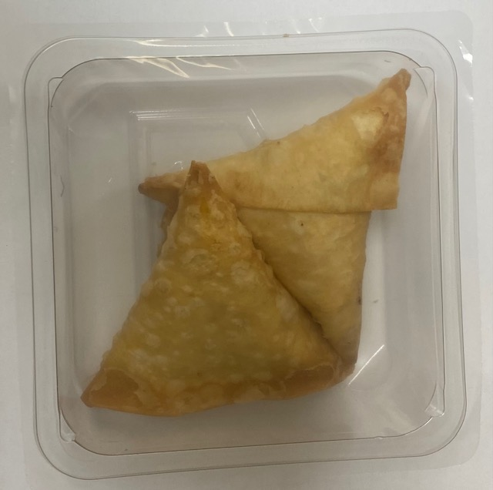
VEGETABLE SAMOSA (GFF541R) (2X50g): 100g |  |  |  |  | Total Weight: 100g
ALLERGY ALERT: WHEAT

